Example
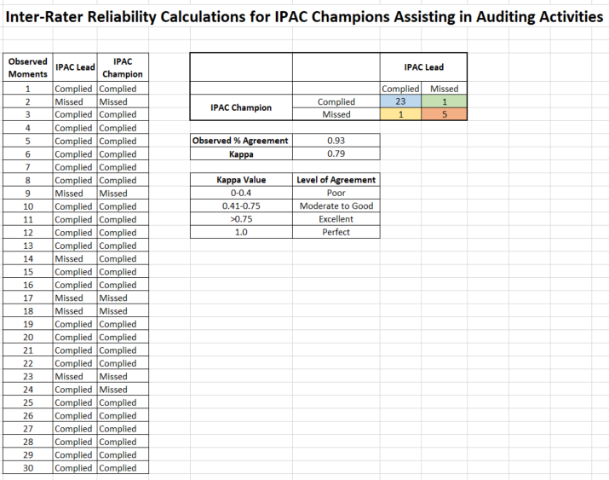

Sample Scenario
You are the IPAC Lead in a long-term care home and you are training a new IPAC Champion to assist with hand hygiene auditing. You have provided sufficient education about hand hygiene and have introduced the audit tool your home uses to the IPAC Champion and they are now ready to practice together.
The two of you go onto all units over the course of several weeks and observe staff perform hand hygiene together. You have each recorded your own audit results individually and are now ready to compare and determine inter-rater reliability by calculating observed percent agreement and the Kappa statistic. If you have a high level agreement, you can be confident that this new IPAC Champion understands the auditing process and is ready to start auditing on their own.
Any moments where staff performed proper hand hygiene are recorded as "complied", and any moments where staff missed opportunities to perform hand hygiene are recorded as "missed". The IPAC Lead enters these observations for both the IPAC Lead and IPAC Champion into the excel table for all 30 observations.
The 2x2 table automatically takes these observations and reflects that the IPAC Lead and IPAC Champion both agreed on 23 moments where there was proper compliance (blue cell). They also both agreed on 5 moments that were missed (orange cell). There was one observation where the IPAC Lead recorded the moment as complied, and the IPAC Champion recorded it as missed (yellow cell). There was also one observation where the IPAC Lead recorded the moment as missed, and the IPAC Champion recorded it as complied (green cell).
The results indicate that there is 93% agreement between the IPAC Lead and IPAC Champion's observations. A Kappa value of 0.79 also indicates that there is excellent agreement between the two. This helps to confirm that the IPAC Champion understands the key concepts of hand hygiene auditing.

